GUI CGI SPEC
Xmind
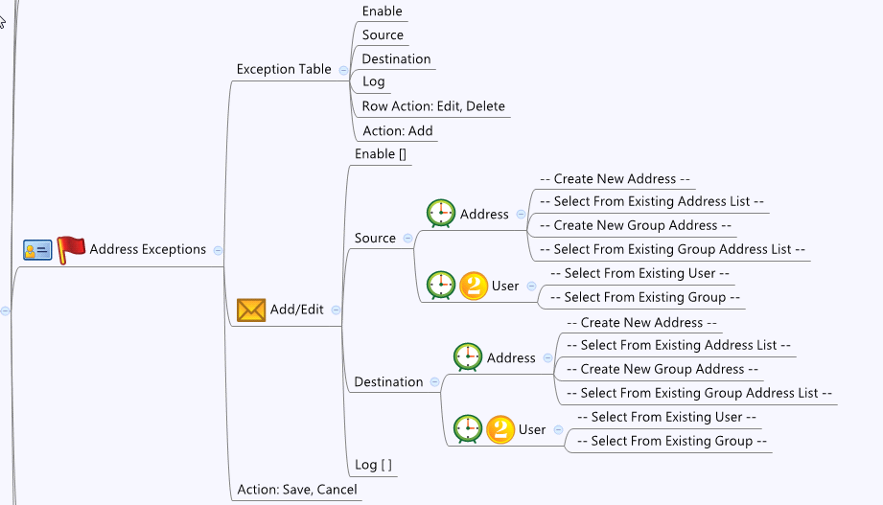

Behavior

1. System will give all add_filter entries to GUI, in AV page, please filter out AV only rule with "feature = 1". Any new rule added, please set "feature = 1"
2. Please grey out this page if av_general.cgi->enable = 0 or av_general.cgi->licensed = 0 or 1
3. #Limitations: Max Address Filter Num: 32

[UI Display Name] | [CGI Name] | [JSON Name] | [Description]
N/A | addr_filter.cgi | guiAddrFilterNum | int: 0~32
N/A | addr_filter.cgi | guiAddrFilterT.gid | an ID from CGI to identify this entry in the table
Enable | addr_filter.cgi | guiAddrFilterT.enable
Source | addr_filter.cgi | guiAddrFilterT.sAddrId | GID of address object. Either from common_ip_list (only type host, network and range are available) or common_gAddr_list. 0 Means any
Destination | addr_filter.cgi | guiAddrFilterT.dAddrId | GID of address object. Either from common_ip_list (only type host, network and range are available) or common_gAddr_list. 0 Means any
Log | addr_filter.cgi | guiAddrFilterT.logEnable | 0:unchecked, 1:checked
N/A | addr_filter.cgi | guiAddrFilterT.features | 1: AV 2: IPS 4: AntiSpam. For AV, please use 1 always
N/A | addr_filter.cgi | guiAddrFilterT.cgiAction | 0:none, 1:add, 2:update, 3:delete

## cgi name ## addr_filter.cgi ## GET for get previous settings ## {"guiAddrFilterNum":2,"licensed":1,"guiAddrFilterT":[{"gid":271384576,"enable":1,"sAddrId":589825,"dAddrId":589826,"logEnable":1,"features":1,"cgiAction":0},{"gid":271384577,"enable":1,"sAddrId":589825,"dAddrId":65551,"logEnable":1,"features":1,"cgiAction":0}]} ## POST for set new settings ## {"guiAddrFilterNum":2,"licensed":1,"guiAddrFilterT":[{"gid":271384576,"enable":1,"sAddrId":589825,"dAddrId":589826,"logEnable":1,"features":1,"cgiAction":0},{"gid":271384577,"enable":1,"sAddrId":589825,"dAddrId":65551,"logEnable":1,"features":1,"cgiAction":0}]}
JSON String

